Employee Data
Question 6: Create a worksheet titled 'Employee Data' with columns: Name, Age, Department. Add 5 rows of data.

Name | Age | Department
Rohan Mehta | 35 | Finance
Priya Sharma | 26 | Human Resource
Arjun Verma | 42 | IT
Sneha Patel | 31 | Digital Marketing
Vikram Joshi | 38 | Operations

Question 7: Demonstrate how to insert and delete multiple rows and columns in Excel.

 |  |  |  |  | Name
Select Multiple Rows and Click Insert to add Multiple Rows and |  |  |  |  | Rohan Mehta
delete multiple rows by selecting the rows that we want to delete
and click delete. |  |  |  |  | Priya Sharma
 |  |  |  |  | Arjun Verma
For Column, select multiple column and click insert to insert multiple
columns and to delete, select the columns that we want to delete |  |  |  |  | Sneha Patel
and click delete. |  |  |  |  | Vikram Joshi

In the example, I've added two rows and removed two columns.

Question 8: Use Excel's 'Find and Replace' feature to update department names in a sample table.

Name | Age | Department
Rohan Mehta | 35 | Finance
Priya Sharma | 26 | HR | # Here, I have replaced Human Resource to HR in this table using find and replace option.
Arjun Verma | 42 | IT
Sneha Patel | 31 | Digital Marketing
Vikram Joshi | 38 | Operations

Question 9: Create a small numerical dataset and apply the following functions: AVERAGE, MAX, MIN.

25 |  | 66 | # Here, I've first created some sample data using randbetween function.
72 |  | 41 | Then I've pasted their values to another cells.
59 |  | 32 | Then calculated the given functions on that numerical values.
94 |  | 70
38 |  | 63
76 |  | 50
55 |  | 20
44 |  | 66 | Average: | 51.2
38 |  | 78 | Max: | 78
73 |  | 26 | Min: | 20

Question 10: As a Data Scientist, explain how you'd detect and handle missing data using Excel.
Ans:

As a Data Scientist, the goal is to identify missing data and handle it systematically to ensure it doesn't skew our analysis.

Detection:
 | 1 | Using Go To Special: I would use this feature to quickly find all blank cells in a dataset. Select the data range, press F5 or Ctrl + G for 'Go To', click 'Special', and select 'Blanks'. This highlights all missing values.
 | 2 | Using COUNTBLANK: I would use the =COUNTBLANK(range) function to get a numerical count of all missing values in a specific column or range. This provides a quick summary of how many values are missing.
 | 3 | Using ISBLANK: The =ISBLANK(cell) function can be used to create a new column that acts as a flag, returning TRUE if a cell is blank and FALSE if it contains data. This is useful for filtering or conditional formatting.

Handling:
 | 1 | Imputation: For numerical data, I might fill in missing values with the mean, median, or mode of that column using formulas. For categorical data, I might fill in missing values with the mode or a new category like "Unknown".
 | 2 | Removal: If the percentage of missing values is small (e.g., less than 5%) and the missingness is random, I might choose to simply remove the rows with missing data.
 | 3 | Advanced Methods: For more complex datasets, I would use tools outside of Excel, like Python's pandas library, to perform more sophisticated imputation methods, such as using a machine learning model to predict the missing values.

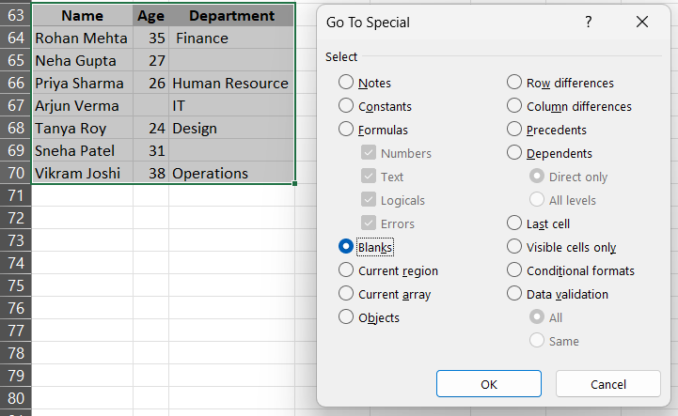
Name | Age | Department
Rohan Mehta | 35 | Finance
Neha Gupta | 27 |  | No. of Blanks | 3
Priya Sharma | 26 | Human Resource
Arjun Verma |  | IT
Tanya Roy | 24 | Design
Sneha Patel | 31
Vikram Joshi | 38 | Operations

